Task1
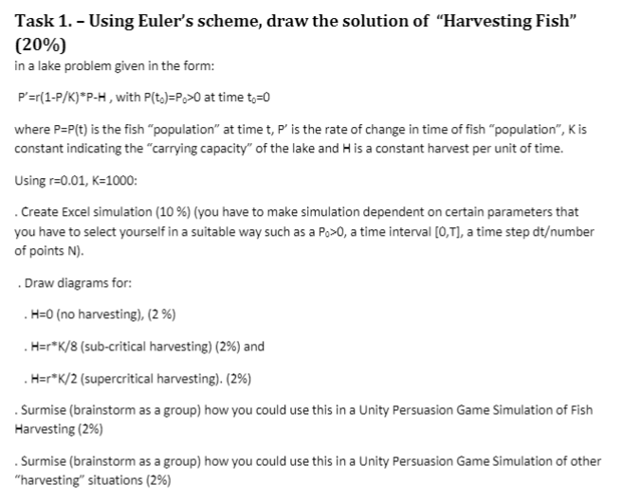
P | P’(H = 0) | P'(H=r*K/8) | P'(H=r*K/2) | r | K | H=0 | H=r*K/8 | H=r*K/2
2 | 0.01996 | -1.23004 | -4.98004 | 0.01 | 1000 | 0 | 1.25 | 5
3 | 0.02991 | -1.22009 | -4.97009
4 | 0.03984 | -1.21016 | -4.96016
5 | 0.04975 | -1.20025 | -4.95025
6 | 0.05964 | -1.19036 | -4.94036
7 | 0.06951 | -1.18049 | -4.93049
8 | 0.07936 | -1.17064 | -4.92064
9 | 0.08919 | -1.16081 | -4.91081
10 | 0.099 | -1.151 | -4.901
11 | 0.10879 | -1.14121 | -4.89121
12 | 0.11856 | -1.13144 | -4.88144
13 | 0.12831 | -1.12169 | -4.87169
14 | 0.13804 | -1.11196 | -4.86196
15 | 0.14775 | -1.10225 | -4.85225
16 | 0.15744 | -1.09256 | -4.84256
17 | 0.16711 | -1.08289 | -4.83289
18 | 0.17676 | -1.07324 | -4.82324
19 | 0.18639 | -1.06361 | -4.81361
20 | 0.196 | -1.054 | -4.804
21 | 0.20559 | -1.04441 | -4.79441
22 | 0.21516 | -1.03484 | -4.78484
23 | 0.22471 | -1.02529 | -4.77529
24 | 0.23424 | -1.01576 | -4.76576
25 | 0.24375 | -1.00625 | -4.75625
26 | 0.25324 | -0.99676 | -4.74676
27 | 0.26271 | -0.98729 | -4.73729
28 | 0.27216 | -0.97784 | -4.72784
29 | 0.28159 | -0.96841 | -4.71841
30 | 0.291 | -0.959 | -4.709 | This could be used in a Unity Persuasion Game Simulation of Fish Harvesting to simulate the effects of harvesting fish.
31 | 0.30039 | -0.94961 | -4.69961
 |  |  |  | This could be used in a Unity Persuasion Game Simulation of other "harvesting" situations to simulate the effects of harvesting other species of animal.

P’(H=0) - No Harvesting
P'(H=r*K/8) - Sub-Critical Harvesting
P'(H=r*K/2) - Supercritical Harvesting

Task2
Duration of observation (mins) |  | 60 | mins |  | Cheatsheet: | Tim Hortons Drive-In Queue Simulation (M/M/1[/D=inf/E=inf/F=FIFO])
Total number of cars per hour: |  | 30 | cars | Lambda
Average service time (mins) |  | 1 | min

Index | P(n) | cumulative_prob_calc(n) | p(>=n)
0 | 0.5 | 0.5 | 1
1 | 0.25 | 0.75 | 0.5
2 | 0.125 | 0.875 | 0.25 |  | Metric | Symbol | Value | Remarks
3 | 0.0625 | 0.9375 | 0.125 |  | Mean Arrival Rate | lambda | 30 | 30 cars/hour
4 | 0.03125 | 0.96875 | 0.0625 |  | Mean inter-arrival time | 1/lambda | 0.033333333333 | hours | 2 | mins
5 | 0.015625 | 0.984375 | 0.03125 |  | Mean Rate of Service | mu | 60 | 60 serviced / hour
6 | 0.0078125 | 0.9921875 | 0.015625 |  | Mean inter-service time | 1/mu | 0.016666666667 | hours | 1 | mins
7 | 0.00390625 | 0.99609375 | 0.0078125 |  | Service Intensity | rho=lambda/mu | 0.5
8 | 0.001953125 | 0.998046875 | 0.00390625 |  | Probab. System is busy | rho | 0.5
9 | 0.0009765625 | 0.9990234375 | 0.001953125 |  | Probab. System is idle | 1-rho | 0.5
10 | 0.00048828125 | 0.99951171875 | 0.0009765625 |  | Probab. Cust. Doesn.t wait | 1-rho | 0.5
11 | 0.000244140625 | 0.99975585938 | 0.00048828125 |  | Mean Number of Cust in System | rho/(1-rho) | 1
12 | 0.0001220703125 | 0.99987792969 | 0.000244140625 |  | Mean Number of Cust in Queue(>=0) | rho^2/(1-rho) | 0.5
13 | 6.103515625E-05 | 0.99993896484 | 0.0001220703125 |  | Mean Number of Cust in Queue(>=1) | 1/(1-rho) | 2
14 | 3.0517578125E-05 | 0.99996948242 | 6.103515625E-05 |  | Mean time a Cust. Spends in queue | rho/(1-rho)*1/mu | 0.016666666667 | hours | 1 | mins
15 | 1.5258789062E-05 | 0.99998474121 | 3.0517578125E-05 |  | Mean time a Cust. Spends in system | 1/(1-rho)*1/mu | 0.033333333333 | hours | 2 | mins
16 | 7.6293945312E-06 | 0.99999237061 | 1.5258789062E-05
17 | 3.8146972656E-06 | 0.9999961853 | 7.6293945312E-06
18 | 1.9073486328E-06 | 0.99999809265 | 3.8146972656E-06
19 | 9.5367431641E-07 | 0.99999904633 | 1.9073486328E-06 |  | Q1: What is the probability that the server is idle
20 | 4.768371582E-07 | 0.99999952316 | 9.5367431641E-07 |  | Answer: P(server is idle) | 0.5 | 50%
21 | 2.384185791E-07 | 0.99999976158 | 4.768371582E-07
22 | 1.1920928955E-07 | 0.99999988079 | 2.384185791E-07 |  | Q2 What is the average number of cars waiting in line for coffee?.
23 | 5.9604644775E-08 | 0.9999999404 | 1.1920928955E-07 |  | Answer: Average number of cars waiting | 1
24 | 2.9802322388E-08 | 0.9999999702 | 5.9604644775E-08
25 | 1.4901161194E-08 | 0.9999999851 | 2.9802322388E-08 |  | Q3 What is the amount of time a customer spends in the drive througharea (including serving time)?
26 | 7.4505805969E-09 | 0.99999999255 | 1.4901161194E-08 |  | Answer: amount of time a customer spends in the drivethru: |  | 2 Mins
27 | 3.7252902985E-09 | 0.99999999627 | 7.4505805969E-09
28 | 1.8626451492E-09 | 0.99999999814 | 3.7252902985E-09 |  | Q4 How many customers per hour will be server by this shop |  | 60 | serviced/hour
29 | 9.3132257462E-10 | 0.99999999907 | 1.8626451492E-09
30 | 4.6566128731E-10 | 0.99999999953 | 9.3132257462E-10
 |  |  |  |  | Q5 Create a graph with probabilities that there are n cars in the queue for n from 0 to 30.
P(n), cumulative_prob_calc(n) and p(>=n)

